FAI

Customer |  | PO # |  | Date Prepared | 2026-04-02 | First Article Report
Part Name | Mounting Nut | Samples | 10 | Prepared by: | Meng
Part Number | 031-1683-261 | Inch or mm | Inch | Revision
FAI | Type (Diameter Length Position etc.) | Nominal | + Tolerance | - Tolerance | High Limit | Low Limit | Method | Mfg. Sample 1 | Mfg. Sample 2 | Mfg. Sample 3 | Mfg. Sample 4 | Mfg. Sample 5 | Mfg. Sample 6 | Mfg. Sample 7 | Mfg. Sample 8 | Mfg. Sample 9 | Mfg. Sample 10
1 | Diameter | 0.312 | 0.003 | 0.003 | 0.315 | 0.309 | Micrometer | 0.3131 | 0.3126 | 0.3125 | 0.3130 | 0.3134 | 0.3122 | 0.3126 | 0.3126 | 0.3131 | 0.3129
2 | Length | 0.094 | 0.003 | 0.003 | 0.097 | 0.091 | Micrometer | 0.0931 | 0.0935 | 0.0993 | 0.0936 | 0.0991 | 0.0982 | 0.0990 | 0.0934 | 0.0982 | 0.0997
3 | Angle | 30.000 | 2.000 | 2.000 | 32.000 | 28.000 | VMM | 28.3052 | 28.4865 | 28.6813 | 29.6502 | 29.9522 | 28.1385 | 29.7409 | 30.1873 | 28.6936 | 28.3796
4 | Diameter (Thread) | 0.250 | 0.024 | 0.030 | 0.274 | 0.220 | Caliper | 0.2215 | 0.2210 | 0.2230 | 0.2210 | 0.2225 | 0.2210 | 0.2210 | 0.2220 | 0.2220 | 0.2220
5 | Length (Thread Pitch) | 0.028 |  |  | 0.028 | 0.028 | Pitch gauge | OK | OK | OK | OK | OK | OK | OK | OK | OK | OK

Print Page 1
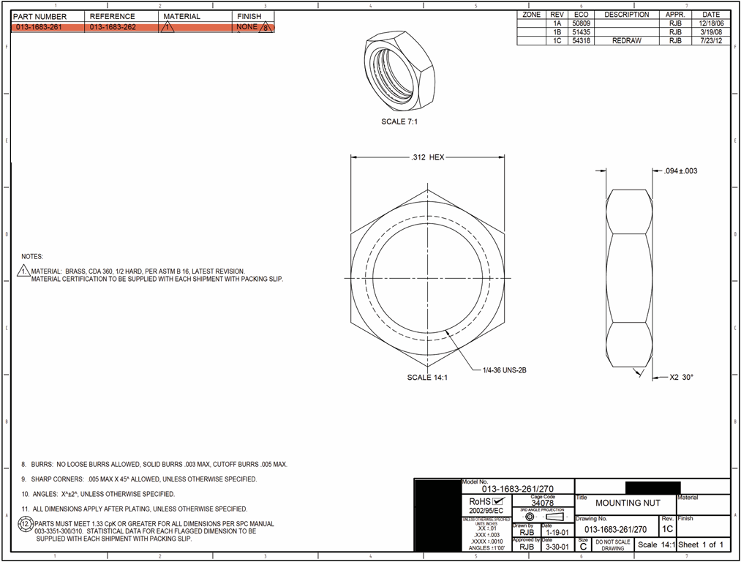

1
2

4
5
3

Tolerance Table 1
